Rent Roll
Rent Roll - Alverson Mobile Home Park (Gaffney, SC)

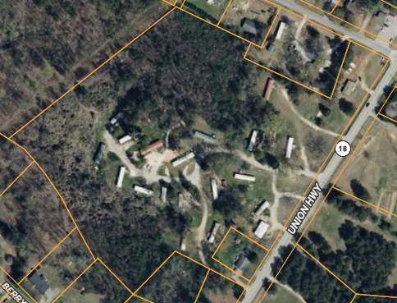
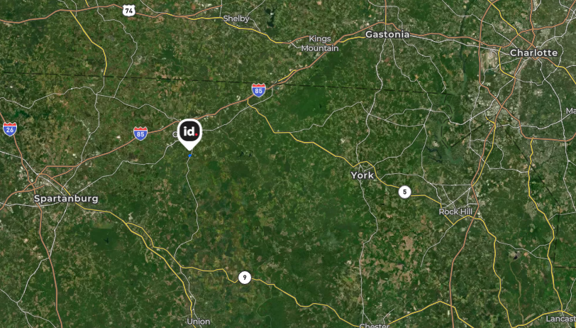
 | COMMUNITY DETAILS:
 | Community Name | Alverson Mobile Home Park
 | Address | 2724 Union Highway
 | City/State/Zip | Gaffney, SC 29340
 | County | Cherokee County
 | Acreage | 16.80 Acres
 | Flood Plain (Y/N) | No
 | Community Type | All Age

 | INFRASTRUCTURE DETAILS:
 | Roads | Gravel
 | Parking | Off-Street (Dirt)
 | Dedicated Parking / Pad | 2 Cars
 | Water | Public (Direct Bill)
 | Sewer | Private (Septic, 1:1)
 | Trash | Public (County Pickup)
 | Landscaping - Pads | Community Responsible
 | Landscaping - Common Area | Community Responsible

 | UNIT MIX: | UNIT TYPE | %
 | MH: Tenant Owned Home | 2 | 10%
 | MH: Park Owned Home | 17 | 81%
 | MH: Park Owned Home (Vacant) | 1 | 5%
 | MH: Empty Pad | 1 | 5%
 | Total | 21

 | COMMUNITY NAME | UNIT # | UNIT TYPE | RENT - MONTH
 |  |  | Total - Month | $15,565
 |  |  | Total - Year | $186,780
 | Alverson MHP | 1 | MH: Empty Pad
 | Alverson MHP | 2 | MH: Park Owned Home | $895
 | Alverson MHP | 3 | MH: Park Owned Home | $700
 | Alverson MHP | 4 | MH: Park Owned Home | $850
 | Alverson MHP | 5 | MH: Park Owned Home | $800
 | Alverson MHP | 7 | MH: Park Owned Home | $850
 | Alverson MHP | 8 | MH: Park Owned Home | $800
 | Alverson MHP | 9 | MH: Park Owned Home | $850
 | Alverson MHP | 10 | MH: Park Owned Home | $925
 | Alverson MHP | 11 | MH: Park Owned Home | $925
 | Alverson MHP | 12 | MH: Park Owned Home | $925
 | Alverson MHP | 13 | MH: Park Owned Home | $785
 | Alverson MHP | 14 | MH: Tenant Owned Home | $500
 | Alverson MHP | 15 | MH: Tenant Owned Home | $425
 | Alverson MHP | 16 | MH: Park Owned Home (Vacant)
 | Alverson MHP | 17 | MH: Park Owned Home | $785
 | Alverson MHP | 18 | MH: Park Owned Home | $850
 | Alverson MHP | 19 | MH: Park Owned Home | $1,200
 | Alverson MHP | 20 | MH: Park Owned Home | $850
 | Alverson MHP | 21 | MH: Park Owned Home | $800
 | Alverson MHP | 22 | MH: Park Owned Home | $850

