Sheet1
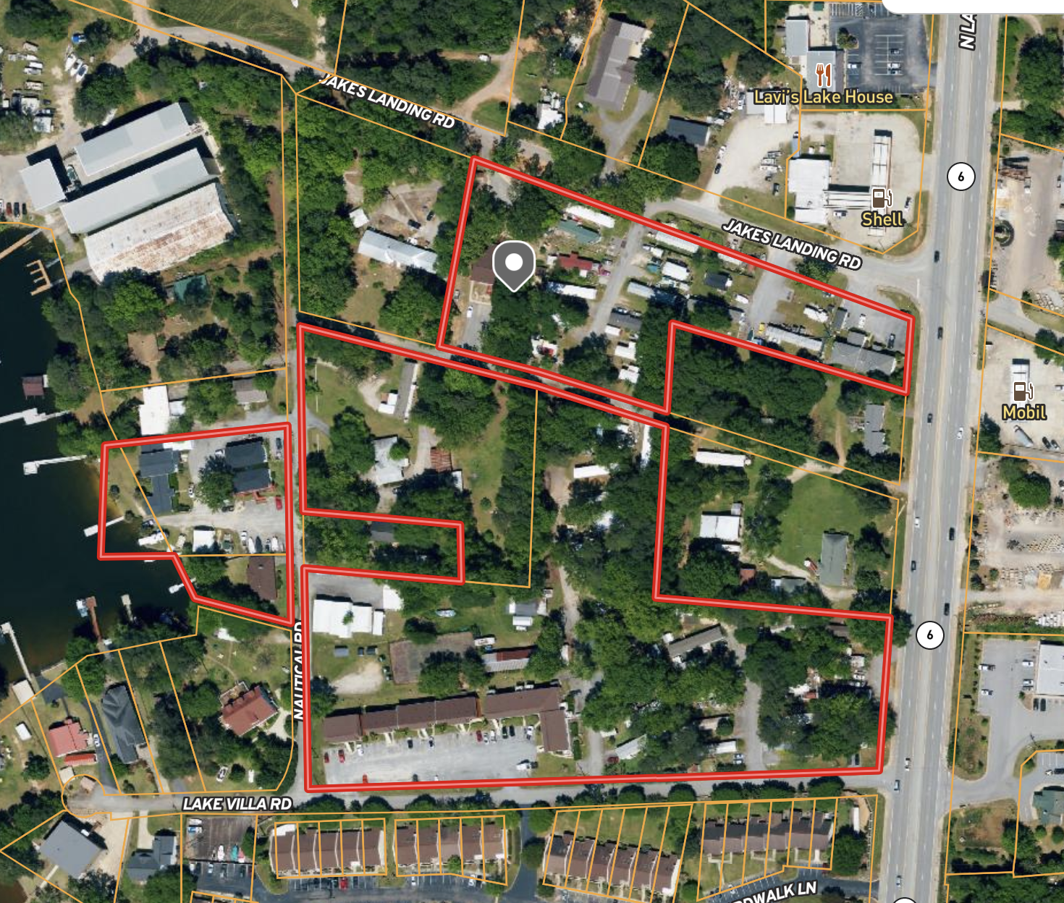
COMMUNITY DETAILS:
Community Name | Lake Lodge
Address | Lake Villa Rd
City/State/Zip | Lexington, SC 29072
County | Lexington
Acreage | 12.07
Flood Plain (Y/N) | Partial
Community Type | All Age

INFRASTRUCTURE DETAILS:
Roads | Paved (Asphalt)
Parking | Off Street
Dedicated Parking / Pad | 2 Cars
Water | Private (Well)
Sewer | Public (Park Maintained)
Trash | Private (Dumpster)
Landscaping - Pads | Community Provided
Landscaping - Common Area | Community Provided

UNIT MIX: | UNIT TYPE | %
MH: Tenant Owned Home | 47 | 47%
Apartment | 50 | 50%
Stick Built: House | 3 | 0%
Stick Built: House (Vacant) | 0 | 0%
Total | 100

COMMUNITY NAME | UNIT # | UNIT TYPE | RENT - MONTH | Size (SF) | Bed/Bath | NOTES
 |  | Total - Month | $54,885
 |  | Total - Year | $658,620
Lake Lodge MHP | 1 | MH: Tenant Owned Home | $375 |  |  |  | MH: Tenant Owned Home | $375.00 | 17625
Lake Lodge MHP | 2 | MH: Tenant Owned Home | $375 |  |  |  | Apartment | $682.70 | 34135
Lake Lodge MHP | 3 | MH: Tenant Owned Home | $375 |  |  |  | Stick Built: House | $1,562.50 | 3125
Lake Lodge MHP | 4 | MH: Tenant Owned Home | $375 |  |  |  |  |  | 54885
Lake Lodge MHP | 5 | MH: Tenant Owned Home | $375
Lake Lodge MHP | 6 | MH: Tenant Owned Home | $375
Lake Lodge MHP | 7 | MH: Tenant Owned Home | $375
Lake Lodge MHP | 10 | MH: Tenant Owned Home | $375
Lake Lodge MHP | 11 | MH: Tenant Owned Home | $375
Lake Lodge MHP | 13 | MH: Tenant Owned Home | $375
Lake Lodge MHP | 14 | MH: Tenant Owned Home | $375
Lake Lodge MHP | 15 | MH: Tenant Owned Home | $375
Lake Lodge MHP | 15A | MH: Tenant Owned Home | $375
Lake Lodge MHP | 16 | MH: Tenant Owned Home | $375
Lake Lodge MHP | 17 | MH: Tenant Owned Home | $375
Lake Lodge MHP | 18 | MH: Tenant Owned Home | $375
Lake Lodge MHP | 19 | MH: Tenant Owned Home | $375
Lake Lodge MHP | 20 | MH: Tenant Owned Home | $375
Lake Lodge MHP | 21 | MH: Tenant Owned Home | $375
Lake Lodge MHP | 22 | MH: Tenant Owned Home | $375
Lake Lodge MHP | 23 | MH: Tenant Owned Home | $375
Lake Lodge MHP | 24 | MH: Tenant Owned Home | $375
Lake Lodge MHP | 25 | MH: Tenant Owned Home | $375
Lake Lodge MHP | 26 | MH: Tenant Owned Home | $375
Lake Lodge MHP | 27 | MH: Tenant Owned Home | $375
Lake Lodge MHP | 28 | MH: Tenant Owned Home | $375
Lake Lodge MHP | 30 | MH: Tenant Owned Home | $375
Lake Lodge MHP | 31 | MH: Tenant Owned Home | $375
Lake Lodge MHP | 32 | MH: Tenant Owned Home | $375
Lake Lodge MHP | 33 | MH: Tenant Owned Home | $375
Lake Lodge MHP | 34 | MH: Tenant Owned Home | $375
Lake Lodge MHP | 35 | MH: Tenant Owned Home | $375
Lake Lodge MHP | 36 | MH: Tenant Owned Home | $375
Lake Lodge MHP | 37 | MH: Tenant Owned Home | $375
Lake Lodge MHP | 38 | MH: Tenant Owned Home | $375
Lake Lodge MHP | 39 | MH: Tenant Owned Home | $375
Lake Lodge MHP | 40 | MH: Tenant Owned Home | $375
Lake Lodge MHP | 41 | MH: Tenant Owned Home | $375
Lake Lodge MHP | 42 | MH: Tenant Owned Home | $375
Lake Lodge MHP | 43 | MH: Tenant Owned Home | $375
Lake Lodge MHP | 44 | MH: Tenant Owned Home | $375
Lake Lodge MHP | 45 | MH: Tenant Owned Home | $375
Lake Lodge MHP | 46 | MH: Tenant Owned Home | $375
Lake Lodge MHP | 47 | MH: Tenant Owned Home | $375
Lake Lodge MHP | 48 | MH: Tenant Owned Home | $375
Lake Lodge MHP | 49 | MH: Tenant Owned Home | $375
Lake Lodge Apartments | 101 | Apartment | $700 | 860 | 2/1
Lake Lodge Apartments | 102 | Apartment | $675 | 650-700 | 2/1
Lake Lodge Apartments | 103 | Apartment | $700 | 650-700 | 2/1
Lake Lodge Apartments | 104 | Apartment | $650 | 450 | 1/1
Lake Lodge Apartments | 105 | Apartment | $700 | 650-700 | 2/1
Lake Lodge Apartments | 106 | Apartment | $750 | 650-700 | 2/1
Lake Lodge Apartments | 107 | Apartment | $900 | 650-700 | 2/1.5
Lake Lodge Apartments | 108 | Apartment | $750 | 650-700 | 2/1
Lake Lodge Apartments | 109 | Apartment | $650 | 650-700 | 2/1
Lake Lodge Apartments | 110 | Apartment | $850 | 650-700 | 2/1
Lake Lodge Apartments | 111 | Apartment | $750 | 450 | 1/1
Lake Lodge Apartments | 112 | Apartment | $635 | 450 | 1/1
Lake Lodge Apartments | 113 | Apartment | $625 | 362 | 1/1
Lake Lodge Apartments | 114 | Apartment | $675 | 325-350 | 1/1
Lake Lodge Apartments | 115 | Apartment | $650 | 325-350 | 1/1
Lake Lodge Apartments | 116 | Apartment | $625 | 325-350 | 1/1
Lake Lodge Apartments | 201 | Apartment | $850 | 650-700 | 2/1
Lake Lodge Apartments | 202 | Apartment | $800 | 650-700 | 2/1
Lake Lodge Apartments | 203 | Apartment | $675 | 650-700 | 2/1
Lake Lodge Apartments | 204 | Apartment | $600 | 450 | 1/1
Lake Lodge Apartments | 205 | Apartment | $750 | 650-700 | 2/1
Lake Lodge Apartments | 206 | Apartment | $850 | 650-700 | 2/1
Lake Lodge Apartments | 207 | Apartment | $700 | 650-700 | 2/1
Lake Lodge Apartments | 208 | Apartment | $675 | 650-700 | 2/1
Lake Lodge Apartments | 209 | Apartment | $850 | 650-700 | 2/1
Lake Lodge Apartments | 210 | Apartment | $700 | 650-700 | 2/1
Lake Lodge Apartments | 211 | Apartment | $750 | 450 | 1/1
Lake Lodge Apartments | 212 | Apartment | $650 | 450 | 1/1
Lake Lodge Apartments | 213 | Apartment | $725 | 325-350 | 1/1
Lake Lodge Apartments | 214 | Apartment | $700 | 325-350 | 1/1
Lake Lodge Apartments | 215 | Apartment | $575 | 325-350 | 1/1
Lake Lodge Apartments | 216 | Apartment | $575 | 325-350 | 1/1
Country House Apartments | 11 | Apartment | $650 | 625 | 1/1
Country House Apartments | 12 | Apartment | $700 | 625 | 1/1
Country House Apartments | 14 | Apartment | $650 | 625 | 1/1
Country House Apartments | 15 | Apartment | $525 | 625 | 1/1
Country House Apartments | 21 | Apartment | $675 | 625 | 1/1
Country House Apartments | 22 | Apartment | $675 | 625 | 1/1
Country House Apartments | 23 | Apartment | $775 | 625 | 1/1
Country House Apartments | 24 | Apartment | $650 | 625 | 1/1
Kozy Kove Apartments | 1A | Apartment | $625 | - | 1/1
Kozy Kove Apartments | 1B | Apartment | $625 | - | 1/1
Kozy Kove Apartments | 2A | Apartment | $675 | - | 1/1
Kozy Kove Apartments | 2B | Apartment | $625 | - | 1/1
Kozy Kove Apartments | 101 | Apartment | $575 | - | 1/1
Kozy Kove Apartments | 102 | Apartment | $650 | - | 1/1
Kozy Kove Apartments | 201 | Apartment | $650 | - | 1/1
Kozy Kove Apartments | 202 | Apartment | $750 | - | 1/1
1541 N Lake Rd | A | Office | - | - | -
1541 N Lake Rd | B | Apartment | $100 | - | 1/1
1541 N Lake Rd | C | Apartment | $850 | - | 2/1
222 Nautical Rd | 222 LH | Stick Built: House |  | 3446 | 4/3 | Currently vacant.
230 Nautical Rd | 230 LH | Stick Built: House | $1,625 | 1324 | 2/1
223 Nautical Rd | 223 H | Stick Built: House | $1,500 | 1345 | 2/1.5
217 Nautical Rd | 217 MH | MH: Tenant Owned Home | $375 |  |  | MH Lot located on Parcel along with 223 Nautical Rd Home. MH address is 217 Nautical

